Daily Power Station Chart_14-01
Plant_05/01/2025Chart

Plant:odco1 |  |  | Installed Capacity:111.180kWp
Today Yield(kWh):531.900kWh |  | Today Earning:212760.000TND |  | Today Full Load Hours(h):4.78h

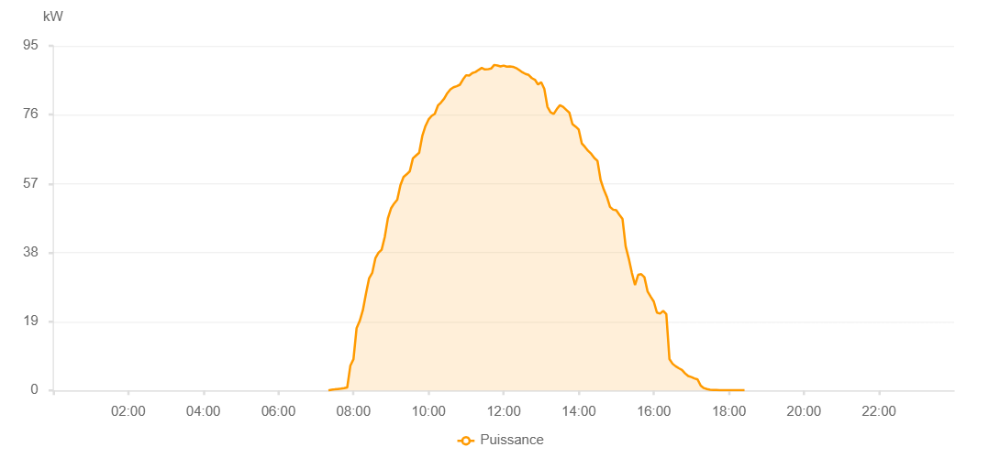

Number | Time | Working State | PV(W) | Instantaneous Radiation(W/㎡)
1 | 07:20:00 | Online | 20.00000 | 0
2 | 07:25:00 | Online | 210.00000 | 0
3 | 07:30:00 | Online | 290.00000 | 0
4 | 07:35:00 | Online | 390.00000 | 1.00000
5 | 07:40:00 | Online | 490.00000 | 4.00000
6 | 07:45:00 | Online | 630.00000 | 7.00000
7 | 07:50:00 | Online | 830.00000 | 8.00000
8 | 07:55:00 | Online | 6800.00000 | 63.00000
9 | 08:00:00 | Online | 8610.00000 | 154.00000
10 | 08:05:00 | Online | 17180.00000 | 188.00000
11 | 08:10:00 | Online | 19170.00000 | 218.00000
12 | 08:15:00 | Online | 22100.00000 | 248.00000
13 | 08:20:00 | Online | 26720.00000 | 277.00000
14 | 08:25:00 | Online | 30910.00000 | 303.00000
15 | 08:30:00 | Online | 32400.00000 | 332.00000
16 | 08:35:00 | Online | 36430.00000 | 360.00000
17 | 08:40:00 | Online | 37950.00000 | 384.00000
18 | 08:45:00 | Online | 38800.00000 | 408.00000
19 | 08:50:00 | Online | 42290.00000 | 406.00000
20 | 08:55:00 | Online | 47430.00000 | 442.00000
21 | 09:00:00 | Online | 50180.00000 | 473.00000
22 | 09:05:00 | Online | 51530.00000 | 495.00000
23 | 09:10:00 | Online | 52600.00000 | 515.00000
24 | 09:15:00 | Online | 56560.00000 | 538.00000
25 | 09:20:00 | Online | 58830.00000 | 557.00000
26 | 09:25:00 | Online | 59570.00000 | 573.00000
27 | 09:30:00 | Online | 60410.00000 | 590.00000
28 | 09:35:00 | Online | 63980.00000 | 606.00000
29 | 09:40:00 | Online | 64770.00000 | 620.00000
30 | 09:45:00 | Online | 65530.00000 | 639.00000
31 | 09:50:00 | Online | 70150.00000 | 655.00000
32 | 09:55:00 | Online | 72860.00000 | 670.00000
33 | 10:00:00 | Online | 74690.00000 | 683.00000
34 | 10:05:00 | Online | 75690.00000 | 696.00000
35 | 10:10:00 | Online | 76270.00000 | 705.00000
36 | 10:15:00 | Online | 78530.00000 | 716.00000
37 | 10:20:00 | Online | 79400.00000 | 730.00000
38 | 10:25:00 | Online | 80440.00000 | 740.00000
39 | 10:30:00 | Online | 81940.00000 | 753.00000
40 | 10:35:00 | Online | 83010.00000 | 763.00000
41 | 10:40:00 | Online | 83580.00000 | 773.00000
42 | 10:45:00 | Online | 83860.00000 | 779.00000
43 | 10:50:00 | Online | 84270.00000 | 788.00000
44 | 10:55:00 | Online | 85710.00000 | 795.00000
45 | 11:00:00 | Online | 86890.00000 | 804.00000
46 | 11:05:00 | Online | 86800.00000 | 806.00000
47 | 11:10:00 | Online | 87490.00000 | 811.00000
48 | 11:15:00 | Online | 87770.00000 | 816.00000
49 | 11:20:00 | Online | 88350.00000 | 819.00000
50 | 11:25:00 | Online | 88900.00000 | 825.00000
51 | 11:30:00 | Online | 88480.00000 | 825.00000
52 | 11:35:00 | Online | 88530.00000 | 832.00000
53 | 11:40:00 | Online | 88730.00000 | 834.00000
54 | 11:45:00 | Online | 89730.00000 | 836.00000
55 | 11:50:00 | Online | 89580.00000 | 834.00000
56 | 11:55:00 | Online | 89320.00000 | 835.00000
57 | 12:00:00 | Online | 89540.00000 | 834.00000
58 | 12:05:00 | Online | 89270.00000 | 836.00000
59 | 12:10:00 | Online | 89300.00000 | 833.00000
60 | 12:15:00 | Online | 89210.00000 | 833.00000
61 | 12:20:00 | Online | 88860.00000 | 833.00000
62 | 12:25:00 | Online | 88300.00000 | 828.00000
63 | 12:30:00 | Online | 87700.00000 | 824.00000
64 | 12:35:00 | Online | 87230.00000 | 821.00000
65 | 12:40:00 | Online | 86970.00000 | 817.00000
66 | 12:45:00 | Online | 86100.00000 | 813.00000
67 | 12:50:00 | Online | 85650.00000 | 810.00000
68 | 12:55:00 | Online | 84330.00000 | 804.00000
69 | 13:00:00 | Online | 84970.00000 | 797.00000
70 | 13:05:00 | Online | 83130.00000 | 789.00000
71 | 13:10:00 | Online | 78190.00000 | 764.00000
72 | 13:15:00 | Online | 76660.00000 | 744.00000
73 | 13:20:00 | Online | 76220.00000 | 741.00000
74 | 13:25:00 | Online | 77560.00000 | 738.00000
75 | 13:30:00 | Online | 78610.00000 | 740.00000
76 | 13:35:00 | Online | 78160.00000 | 739.00000
77 | 13:40:00 | Online | 77350.00000 | 728.00000
78 | 13:45:00 | Online | 76580.00000 | 714.00000
79 | 13:50:00 | Online | 73420.00000 | 700.00000
80 | 13:55:00 | Online | 72730.00000 | 687.00000
81 | 14:00:00 | Online | 71910.00000 | 674.00000
82 | 14:05:00 | Online | 68070.00000 | 659.00000
83 | 14:10:00 | Online | 67110.00000 | 648.00000
84 | 14:15:00 | Online | 66040.00000 | 634.00000
85 | 14:20:00 | Online | 65220.00000 | 619.00000
86 | 14:25:00 | Online | 64060.00000 | 605.00000
87 | 14:30:00 | Online | 63260.00000 | 592.00000
88 | 14:35:00 | Online | 58010.00000 | 576.00000
89 | 14:40:00 | Online | 55410.00000 | 559.00000
90 | 14:45:00 | Online | 53340.00000 | 545.00000
91 | 14:50:00 | Online | 50610.00000 | 521.00000
92 | 14:55:00 | Online | 49840.00000 | 396.00000
93 | 15:00:00 | Online | 49670.00000 | 488.00000
94 | 15:05:00 | Online | 48420.00000 | 471.00000
95 | 15:10:00 | Online | 47250.00000 | 453.00000
96 | 15:15:00 | Online | 39730.00000 | 407.00000
97 | 15:20:00 | Online | 36340.00000 | 386.00000
98 | 15:25:00 | Online | 32360.00000 | 355.00000
99 | 15:30:00 | Online | 29050.00000 | 330.00000
100 | 15:35:00 | Online | 31870.00000 | 293.00000
101 | 15:40:00 | Online | 32050.00000 | 327.00000
102 | 15:45:00 | Online | 31210.00000 | 339.00000
103 | 15:50:00 | Online | 27320.00000 | 210.00000
104 | 15:55:00 | Online | 25860.00000 | 61.00000
105 | 16:00:00 | Online | 24490.00000 | 58.00000
106 | 16:05:00 | Online | 21460.00000 | 53.00000
107 | 16:10:00 | Online | 21190.00000 | 48.00000
108 | 16:15:00 | Online | 21950.00000 | 51.00000
109 | 16:20:00 | Online | 21030.00000 | 53.00000
110 | 16:25:00 | Online | 8640.00000 | 53.00000
111 | 16:30:00 | Online | 7360.00000 | 54.00000
112 | 16:35:00 | Online | 6660.00000 | 52.00000
113 | 16:40:00 | Online | 6120.00000 | 51.00000
114 | 16:45:00 | Online | 5660.00000 | 47.00000
115 | 16:50:00 | Online | 4700.00000 | 40.00000
116 | 16:55:00 | Online | 3960.00000 | 35.00000
117 | 17:00:00 | Online | 3700.00000 | 29.00000
118 | 17:05:00 | Online | 3330.00000 | 24.00000
119 | 17:10:00 | Online | 3020.00000 | 19.00000
120 | 17:15:00 | Online | 1320.00000 | 12.00000
121 | 17:20:00 | Online | 650.00000 | 8.00000
122 | 17:25:00 | Online | 380.00000 | 3.00000
123 | 17:30:00 | Online | 210.00000 | 1.00000
124 | 17:35:00 | Online | 140.00000 | 0
125 | 17:40:00 | Online | 120.00000 | 1.00000
126 | 17:45:00 | Online | 40.00000 | 0
127 | 17:50:00 | Online | 40.00000 | 0
128 | 17:55:00 | Online | 40.00000 | 0
129 | 18:00:00 | Online | 40.00000 | 0
130 | 18:05:00 | Online | 40.00000 | 0
131 | 18:10:00 | Online | 40.00000 | 0
132 | 18:15:00 | Online | 40.00000 | 0
133 | 18:20:00 | Online | 40.00000 | 0
134 | 18:25:00 | Online | 40.00000 | 0
135 | 18:45:00 | Online | 0.00001 | 0.00001

